Sheet1
 | FDP Form 11 - SEF Utilization
 | (SEF Budget Accountability Form No. 1)

SEF UTILIZATION
1st Quarter, CY 2017

 | Province/City or Municipality: Bingawan, Iloilo

 | Receipt from SEF |  |  | P | 233,172.11

 | Less : | DISBURSEMENT ( broken down by expense
 |  | class and by object of expenditure )

 |  | Personal Services
 |  | _________________________
 |  | _________________________
 |  | _________________________

 |  | Maintenance and Other Operating Expenses
 |  | _________________________
 |  | Maintenance and Other Operating Expenses |  |  | 9,300.00
 |  | Depreciation Expenses |  |  | 31,232.91

 |  | Capital Outlay
 |  | _________________________
 |  | _________________________
 |  | _________________________

 |  | Financial Expenses

 |  | _________________________
 |  | _________________________
 |  | _________________________

 | Sub - Total |  |  |  | 40,532.91
 | Balance |  |  | P | 192,639.20

 |  |  | We hereby certify that we have reviewed the
 |  |  | contents and hereby attest to the veracity and
 |  |  | correctness of the data or information contained
 |  |  | in this document.
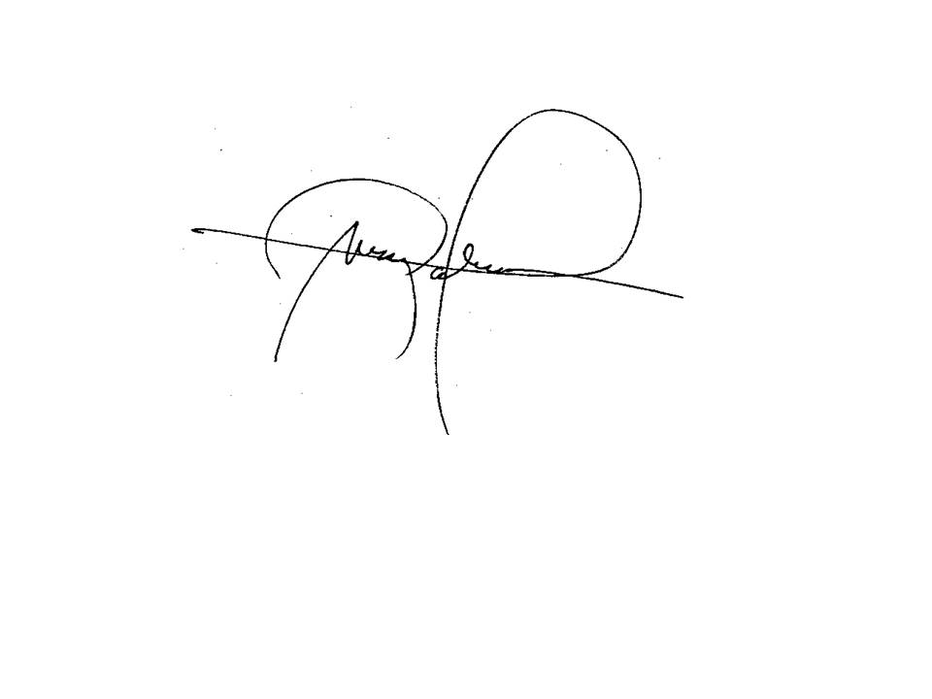

 |  |  | LEIZEL M. NERI
 |  |  | Municipal Accountant

 |  |  | MARK P. PALABRICA
 |  |  | Local Chief Executive, Chairman,LSB

