Sheet1 (2)
FDP FORM 13-Manpower Complement

MANPOWER COMPLEMENT
Budget Year 2017
2nd Quarter

MUNICIPALITY OF BINGAWAN

Nature of Appointment or Employment | Number | Compensation and other Benefits |  | TOTAL
 |  | Salaries and Wages | Other Monetary Benefits
Permanent | 63 | 3,246,653.00 | 1,966,075.00 | 5,212,728.00
Contractual | 0 | N/A | N/A | N/A
Job Order/Contract of Service | 73 | 1,404,128.90 | N/A | 1,404,128.90
GRAND TOTAL | 136 | 4,650,781.90 | 1,966,075.00 | 6,616,856.90

We hereby certify that we have reviewed the contents and hereby attest to the veracity and correctness of the data or information contained in this document.
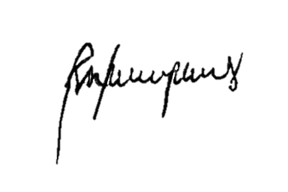
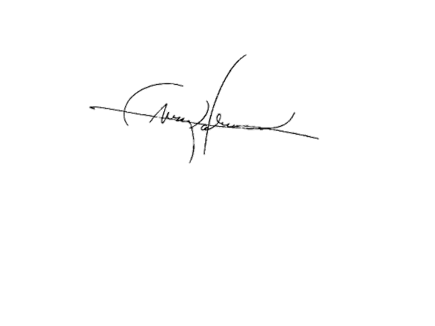

RONA KRISTIE C. PORRAS |  | LEIZEL M. NERI | MARK P. PALABRICA
Human Resource Management Officer |  | Municipal Accountant | Local Chief Executive

1. Contractual personnel are those whose employment in the government is in accordance with special contract to undertake a specific work or job, requiring special or technical skills not available in the employing agency, to be accomplished within a specific period, which in no case shall exceed one year, and performs or accomplishes the specific work or job, under his own responsibility with a minimum of direction and supervision from the hiring agency. (Source: Presidential Decree No. 807 October 6, 1975)
2. Contract of Services/Job Orders are employees whose services rendered are not considered government services and do not enjoy the benefits enjoyed by government employees. The job order covers piece of work or intermittent job of short duration not exceeding six months on a daily basis. (Source: Omnibus Rules Implementing Book V of E.O. No. 292 and Other Pertinent Civil Service Laws)

