FORM11
 | FDP Form 11 - SEF Utilization
 | (SEF Budget Accountability Form No. 1)

SEF UTILIZATION
2nd Quarter, CY 2018

 | Province/City or Municipality: Bingawan, Iloilo

 | Receipt from SEF |  |  | P | 509,624.86

 | Less : | DISBURSEMENT ( broken down by expense
 |  | class and by object of expenditure )

 |  | Personal Services
 |  | _________________________
 |  | _________________________

 |  | Maintenance and Other Operating Expenses
 |  | Other Maintenance and Operating Expenses |  |  | 21,000.00

 |  | Depreciation Expenses
 |  | Depreciation-Building and Other Structures |  |  | 3,060.00
 |  | Depreciation-Machinery and Equipment |  |  | 5,962.38
 |  | Depreciation-Other Property, Plant and Equipment |  |  | 1,674.00

 |  | Capital Outlay
 |  | _________________________
 |  | _________________________
 |  | _________________________

 |  | Financial Expenses
 |  | _________________________
 |  | _________________________
 |  | _________________________

 | Sub - Total |  |  |  | 31,696.38
 | Balance |  |  | P | 477,928.48

 |  |  | We hereby certify that we have reviewed the
 |  |  | contents and hereby attest to the veracity and
 |  |  | correctness of the data or information contained
 |  |  | in this document.

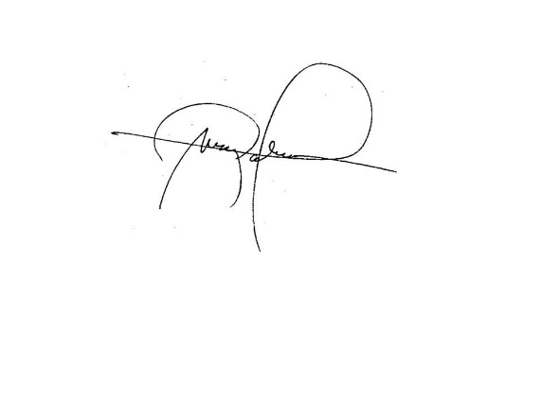
 |  |  | LEIZEL M. NERI
 |  |  | Municipal Accountant

 |  |  | MARK P. PALABRICA
 |  |  | Local Chief Executive, Chairman,LSB

