FORM11
 | FDP Form 11 - SEF Utilization
 | (SEF Budget Accountability Form No. 1)

SEF UTILIZATION
3rd Quarter, CY 2018

 | Province/City or Municipality: Bingawan, Iloilo

 | Receipt from SEF |  |  | P | 710,660.18

 | Less : | DISBURSEMENT ( broken down by expense
 |  | class and by object of expenditure )

 |  | Personal Services
 |  | _________________________
 |  | _________________________

 |  | Maintenance and Other Operating Expenses
 |  | Other Maintenance and Operating Expenses |  |  | 151,310.72

 |  | Depreciation Expenses
 |  | Depreciation-Building and Other Structures |  |  | 4,590.00
 |  | Depreciation-Machinery and Equipment |  |  | 9,618.12
 |  | Depreciation-Other Property, Plant and Equipment |  |  | 2,511.00

 |  | Capital Outlay
 |  | _________________________
 |  | _________________________
 |  | _________________________

 |  | Financial Expenses
 |  | _________________________
 |  | _________________________
 |  | _________________________

 | Sub - Total |  |  |  | 168,029.84
 | Balance |  |  | P | 542,630.34

 |  |  | We hereby certify that we have reviewed the
 |  |  | contents and hereby attest to the veracity and
 |  |  | correctness of the data or information contained
 |  |  | in this document.

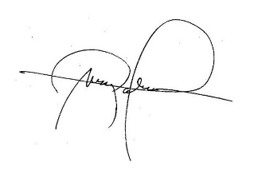
 |  |  | LEIZEL M. NERI
 |  |  | Municipal Accountant

 |  |  | MARK P. PALABRICA
 |  |  | Local Chief Executive, Chairman,LSB

