Sheet1
FDP Form 12 - Unliquidated Cash Advances
Unliquidated Cash Advances
As of September 30, 2018

Agency Name: Municipality of Bingawan
 |  |  |  | Amount Due
Name of Debtor | Amount | Date Granted | Purpose |  | Current |  | Past Due
(In alphabetical order) | Balance |  |  | Less than | 31-90 days | 91-365 | over 1 | over 2 years | 3 years and
 |  |  |  | 30 days |  | days | year |  | above
General Fund
Divino, Lorna P.-Operating | 165,060.00 | 9/24/2018 | Operating Expenses | 165,060.00
Lorna Divino | 613,366.30 | 9/24/2018 | Payroll | 613,366.30
Belloga, Lorens | 22,444.12 | 2018-02-26 | Training & Seminar |  |  | 22,444.12
Billones, Jemaima | 8,850.41 | 2018-06-06 | Training & Seminar |  |  | 8,850.41
Cachite, Nemesio | 22,444.12 | 2018-02-26 | Training & Seminar |  |  | 22,444.12
Cataluña, Emee Joy | 14,270.00 | 7/17/2018 | Training & Seminar |  | 14,270.00
Cerbo, Julius | 9,197.01 | 2018-06-06 | Travelling |  |  | 9,197.01
Gallaza, Mae | 28,255.73 | 4/30/2018-6/62018 | Training & Seminar |  | 28,255.73
Gardose, Leny Mae | 8,050.00 | 9/13/2018 | Training & Seminar | 8,050.00
Girao, Perceval T. | 22,444.12 | 2018-02-26 | Training & Seminar |  |  | 22,444.12
Pedroso, Lorna | 8,050.00 | 9/13/2018 | Training & Seminar | 8,050.00
Quimba, Joy L. | 22,444.12 | 2018-02-26 | Training & Seminar |  |  | 22,444.12
Ragabo, Jose Jr. | 22,444.12 | 2018-02-26 | Training & Seminar |  |  | 22,444.12
Saladar, Marvin | 17,133.92 | 9/19/2018 | Training & Seminar | 17,133.92

Trust Fund
Lorna Divino | 21,000.00 | 2018-04-30 | Operating Expenses |  | 21,000.00

 | 1,005,453.97
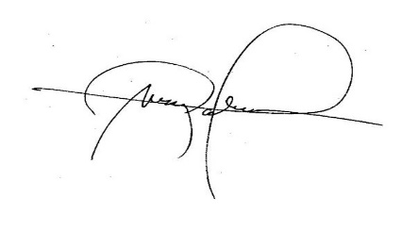
We hereby certify that we have reviewed the contents and hereby attest to the veracity and correctness of the data or information contained in this document.

LEIZEL M. NERI, CPA |  |  |  | MARK P. PALABRICA
MUNICIPAL ACCOUNTANT |  |  |  | Local Chief Executive

