FORM11
 | FDP Form 11 - SEF Utilization
 | (SEF Budget Accountability Form No. 1)

SEF UTILIZATION
4th Quarter, CY 2018

 | Province/City or Municipality: Bingawan, Iloilo

 | Receipt from SEF |  |  | P | 1,202,927.57

 | Less : | DISBURSEMENT ( broken down by expense
 |  | class and by object of expenditure )

 |  | Personal Services
 |  | _________________________
 |  | _________________________

 |  | Maintenance and Other Operating Expenses
 |  | Other Maintenance and Operating Expenses |  |  | 326,150.72
 |  | Travelling Expenses-Local |  |  | 3,000.00
 |  | Office Supplies Expenses |  |  | 10,000.00
 |  | Food Supplies Expenses |  |  | 212,700.00
 |  | Repairs and Maintenance of Building |  |  | 143,000.00
 |  | Depreciation Expenses
 |  | Depreciation-Building and Other Structures |  |  | 6,120.00
 |  | Depreciation-Machinery and Equipment |  |  | 13,273.86
 |  | Depreciation-Other Property, Plant and Equipment |  |  | 3,348.00

 |  | Capital Outlay
 |  | _________________________
 |  | _________________________
 |  | _________________________

 |  | Financial Expenses
 |  | _________________________
 |  | _________________________
 |  | _________________________

 | Sub - Total |  |  |  | 717,592.58
 | Balance |  |  | P | 485,334.99

 |  |  | We hereby certify that we have reviewed the
 |  |  | contents and hereby attest to the veracity and
 |  |  | correctness of the data or information contained
 |  |  | in this document.

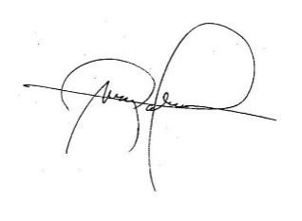
 |  |  | LEIZEL M. NERI
 |  |  | Municipal Accountant

 |  |  | MARK P. PALABRICA
 |  |  | Local Chief Executive, Chairman,LSB

